Sheet1


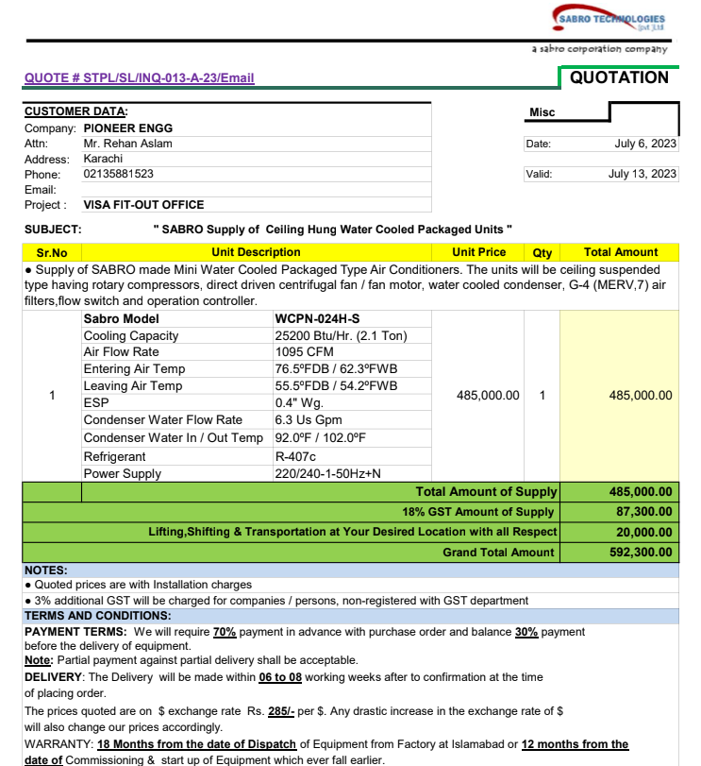
PES/VISA/010/07/23 |  |  |  |  |  |  |  | 2023-07-08

Attn: Mr. Salman Mughal

Variation order for Additional work in IT Room - VISA OFFICE DMC Karachi

S. # | Description | Material Rate | Labor Rate | OH profit 20% | Tax 7.5% | Unit | Qty | Amount
1 | Supply and installation of Grills 650 x 250 | 5,720 | 1,500 | 1,444 | 650 | Nos | 4 | 37,255
2 | Supply and installation of back draft dampers 650 x 250 | 5,200 | 1,500 | 1,340 | 603 | Nos | 4 | 34,572
2 | Supply and installation of VCD 650 x 250 |  | 1,500 | 300 | 135 | Nos | 1 | 1,935
3 | Supply and installation of ducting | 450 | 85 | 107 | 48 | Sqft | 200 | 138,030
4 | Supply and installation of insulation. | 500 | 60 | 112 | 50 | Sqft | 200 | 144,480
5 | Supply and installation of WCPU. | 700,000 | 25,000 | 145,000 | 65,250 | No | 1 | 935,250
6 | Supply and installation of flexible pipe connector 1" Dia | 11,000 | 1,500 | 2,500 | 1,125 | Nos | 2 | 32,250
7 | Supply and installation of power / Control wiring | 25,000 | 8,000 | 6,600 | 2,970 | Job | 1 | 42,570
8 | Supply and installation of valves and accessories. |  |  |  |  |  |  | -
i | Ball Valve 1" | 4,910 | 1,500 | 1,282 | 577 | Nos | 2 | 16,538
ii | Strainer 1" | 4,310 | 1,500 | 1,162 | 523 | No | 1 | 7,495
iii | Balancing Valve 1" | 12,640 | 1,500 | 2,828 | 1,273 | No | 1 | 18,241
iv | Flow Switch 1" | 20,000 | 1,500 | 4,300 | 1,935 | No | 1 | 27,735
9 | Supply and installation of SCH- 40 M.S Pipe 1" Dia. | 40,000 | 15,000 | 11,000 | 4,950 | Lot | 1 | 70,950
10 | Flushing, dismanting & reinstallation of SCH- 40 M.S Pipe 1" & 1-1/2" Dia for fire fighting system including supple and installation of M.S Fittings. | 50,000 | 15,000 | 13,000 | 5,850 | Lot | 1 | 83,850
11 | Supply and installation of UPVC 1" Dia drain Pipe with insulation | 15,000 | 5,000 | 4,000 | 1,800 | Lot | 1 | 25,800
12 | Supply and installation of hangers & supports | 50,000 | 15,000 | 13,000 | 5,850 | Job | 1 | 83,850
13 | Painting on Chilled water & Fire pipe. | 15,000 | 5,000 | 4,000 | 1,800 | Job | 1 | 25,800
14 | Interlocking with Existing system | 150,000 | 20,000 | 34,000 | 15,300 | Job | 1 | 219,300
Total Amount Rs. |  |  |  |  |  |  |  | 1,945,901

For PIONEER ENGINEERING SERVICES.

Bilal Habib

